Book
Overview
 | Book

 | Python for Infomatics
 | Exploring Information
 | Version 2.7.2
 | Charles Severance

 | Contents
 | Preface
1 | Why should you learn to write programs?
2 | Variables, expressions, and statements
3 | Conditional execution
4 | Functions
5 | Iteration
6 | Strings
7 | Files
8 | Lists
9 | Dictionaries
10 | Tuples
11 | Regular expressions
12 | Networked programs
13 | Using web services
14 | Using databases and Structured Query Language (SQL)
15 | Visualizing data
16 | Automating common tasks on your computer
A | Python programming on windows
B | Python programming on Macintosh
C | Contributions
D | Copyright detail

1 | Why should you learn to write programs?
 |  | 1.1 | Creativity and motivation
 |  | 1.2 | Computer hardware architecture
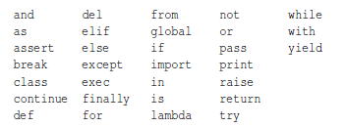
 |  | 1.3 | Understanding programming
 |  | 1.4 | Words and sentences | Reserved words. Variables
 |  | 1.5 | Conversing with Python
 |  | 1.6 | Terminology: interpret and compiler
 |  | 1.7 | Writing a program
 |  | 1.8 | What is a program? | So neither of us are talking to Python, instead we are communicating with each other through Python.
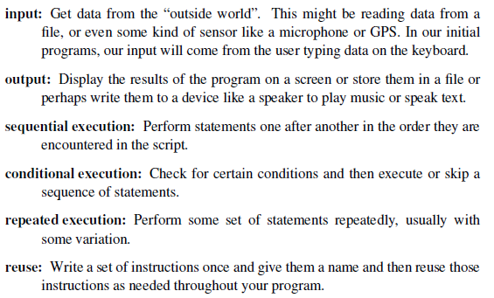
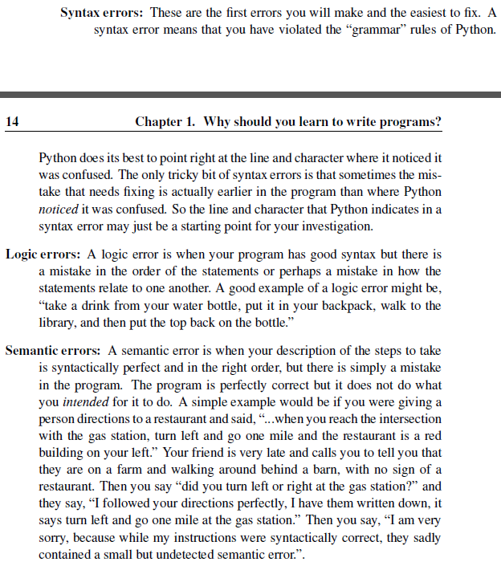
 |  | 1.9 | The building blocks of programs
 |  | 1.10 | What could possibly og wrong?
 |  | 1.11 | The learning journey
 |  | 1.12 | Glossary
 |  | 1.13 | Exercises
2 | Variables, expressions, and statements
 |  | 2.1 | Values and types | integer or string
 |  | 2.2 | Variables
 |  | 2.3 | Variable names and keywords
 |  | 2.4 | Statements
 |  | 2.5 | Operators and operandss
 |  | 2.6 | Expressions
 |  | 2.7 | Order of operations
 |  | 2.8 | Modulus operator
 |  | 2.9 | String operations
 |  | 2.10 | Asking the user for input
 |  | 2.11 | Comments
 |  | 2.12 | Choosing mnemonic variable names
 |  | 2.13 | Debugging
 |  | 2.14 | Glossary
 |  | 2.15 | Excercises
3 | Conditional execution
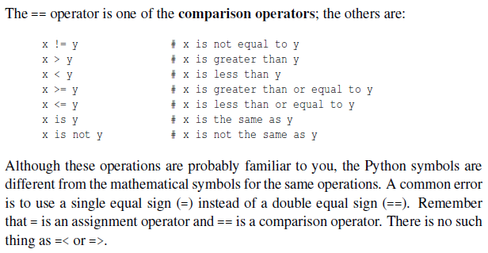
 |  | 3.1 | Boolean expressions | True or false, type bool (not string)
 |  | 3.2 | Logical operators | and, or, not
 |  | 3.3 | Conditional execution | if:
 |  | 3.4 | Alternative execution | if: else:
 |  | 3.5 | Chained conditionals | if: elif: else:
 |  | 3.6 | Nested conditionals | if: else: if: else: (nested conditionals can get confusing, use logical operators to simplefy)
 |  | 3.7 | Catching exceptions using try and except
 |  | 3.8 | Short-circuit evaluation of logical expressions | Reads logical expressions left-to-right. If fails first, doesnt evalue second part. Guardian pattern, insert guard
 |  | 3.9 | Debugging | What kind of error, and where error discovered but often not where it was caused. Often error can be before.
 |  | 3.10 | Glossary
 |  | 3.11 | Exercises
4 | Functions
 |  | 4.1 | Function calls
 |  | 4.2 | Built-in-functions
 |  | 4.3 | Type conversion functions
 |  | 4.4 | Random numbers
 |  | 4.5 | Math functions
 |  | 4.6 | Adding new functions
 |  | 4.7 | Definitions and uses
 |  | 4.8 | Flow of execution
 |  | 4.9 | Parameters and arguments
 |  | 4.10 | Fruitful and void functions
 |  | 4.11 | Why functions
 |  | 4.12 | Debugging
 |  | 4.13 | Glossary
 |  | 4.14 | Exercises
5 | Iteration
 |  | 5.1 | Updating variables | initialize: increment/decrement.
 |  | 5.2 | the while statement | iteration variable
 |  | 5.3 | Infinite loops
 |  | 5.4 | "infinite loops" and break | while true, break
 |  | 5.5 | Finishing iterations with continue | continue
 |  | 5.6 | Definite loops using for | for thing in data
 |  | 5.7 | Loop patterns | For, while
 |  | 5.8 | Debugging
 |  | 5.9 | Glossary
 |  | 5.10 | Exercises
6 | Strings
 |  | 6.1
 |  | 6.2
 |  | 6.3
 |  | 6.4
 |  | 6.5
 |  | 6.6
 |  | 6.7
 |  | 6.8
 |  | 6.9
 |  | 6.10
 |  | 6.11
 |  | 6.12
 |  | 6.13
 |  | 6.14
7 | Files
 |  | 7.1
 |  | 7.2
 |  | 7.3
 |  | 7.4
 |  | 7.5
 |  | 7.6
 |  | 7.7
 |  | 7.8
 |  | 7.9
 |  | 7.10
 |  | 7.11
8 | Lists
 |  | 8.1
 |  | 8.2
 |  | 8.3
 |  | 8.4
 |  | 8.5
 |  | 8.6
 |  | 8.7
 |  | 8.8
 |  | 8.9
 |  | 8.10
 |  | 8.11
 |  | 8.12
 |  | 8.13
 |  | 8.14
 |  | 8.15
 |  | 8.16
9 | Dictionaries
 |  | 9.1
 |  | 9.2
 |  | 9.3
 |  | 9.4
 |  | 9.5
 |  | 9.6
 |  | 9.7
10 | Tuples
 |  | 10.1
 |  | 10.2
 |  | 10.3
 |  | 10.4
 |  | 10.5
 |  | 10.6
 |  | 10.7
 |  | 10.8
 |  | 10.9
 |  | 10.10
 |  | 10.11
11 | Regular expressions
 |  | 11.1
 |  | 11.2
 |  | 11.3
 |  | 11.4
 |  | 11.5
 |  | 11.6
 |  | 11.7
 |  | 11.8
 |  | 11.9
12 | Networked programs
 |  | 12.1
 |  | 12.2
 |  | 12.3
 |  | 12.4
 |  | 12.5
 |  | 12.6
 |  | 12.7
 |  | 12.8
 |  | 12.9
 |  | 12.10
13 | Using web services
 |  | 13.1
 |  | 13.2
 |  | 13.3
 |  | 13.4
 |  | 13.5
 |  | 13.6
 |  | 13.7
 |  | 13.8
 |  | 13.9
 |  | 13.10
14 | Using databases and Structured Query Language (SQL)
 |  | 14.1
 |  | 14.2
 |  | 14.3
 |  | 14.4
 |  | 14.5
 |  | 14.6
 |  | 14.7
 |  | 14.8
 |  | 14.9
 |  | 14.10
 |  | 14.11
 |  | 14.12
 |  | 14.13
15 | Visualizing data
 |  | 15.1
 |  | 15.2
 |  | 15.3
16 | Automating common tasks on your computer
 |  | 16.1
 |  | 16.2
 |  | 16.3
 |  | 16.4
 |  | 16.5
 |  | 16.6
A | Python programming on windows
B | Python programming on Macintosh
C | Contributions
D | Copyright detail

